Top 10 Countries
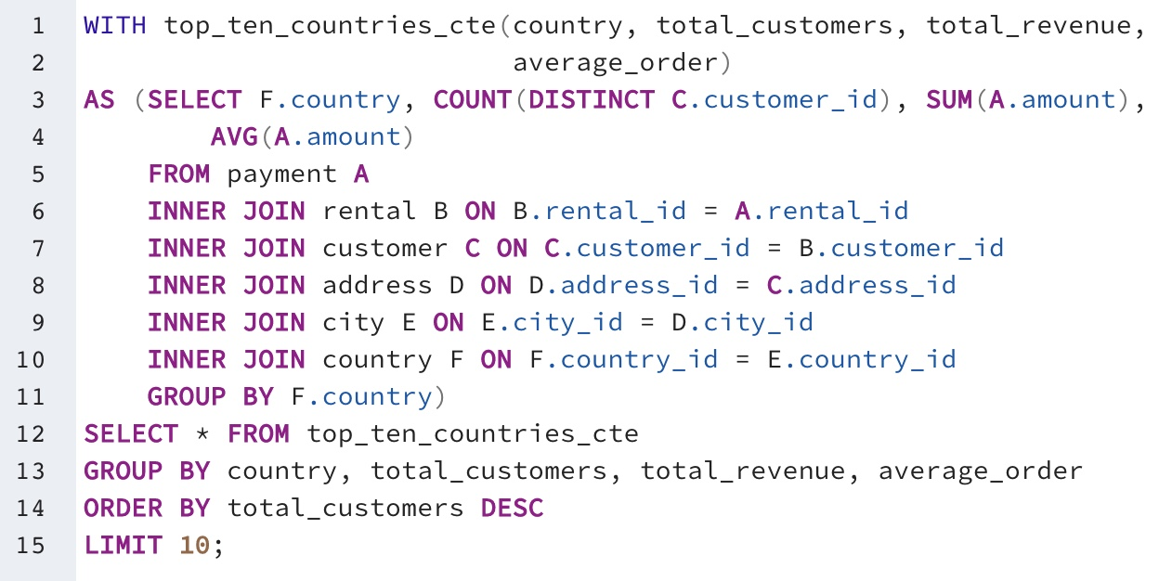
country | total_customers | total_revenue | average_order
India | 60 | 6032.79 | 4.2454539057
China | 53 | 5247.04 | 4.0486419753
United States | 36 | 3694.27 | 4.2316953036
Japan | 31 | 3121.52 | 4.1731550802
Mexico | 30 | 2984.82 | 4.1571309192
Brazil | 28 | 2919.19 | 4.2866226138
Russian Federation | 28 | 2765.62 | 4.3348275862
Philippines | 20 | 2219.7 | 4.1881132075
Turkey | 15 | 1498.49 | 4.2692022792
Indonesia | 14 | 1352.69 | 4.0866767372

Top 5 Customers
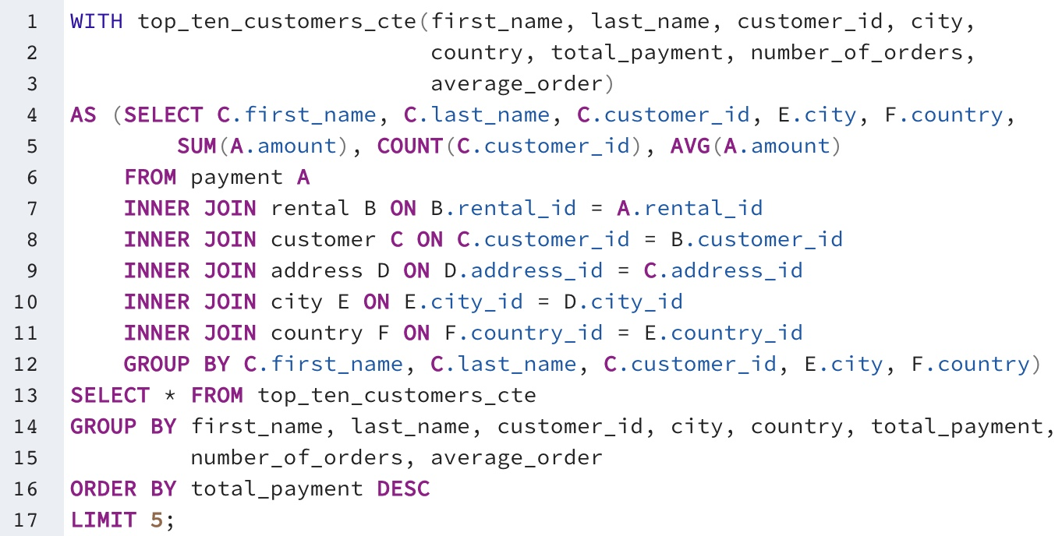
first_name | last_name | customer_id | city | country | total_payment | number_of_orders | average_order
Eleanor | Hunt | 148 | Saint-Denis | Réunion | 211.55 | 45 | 4.701111111
Karl | Seal | 526 | Cape Coral | United States | 208.58 | 42 | 4.966190476
Marion | Snyder | 178 | Santa Brbara d'Oeste | Brazil | 194.61 | 39 | 4.99
Rhonda | Kennedy | 137 | Apeldoorn | Netherlands | 191.62 | 38 | 5.042631579
Clara | Shaw | 144 | Molodechno | Belarus | 189.6 | 40 | 4.74

